Results
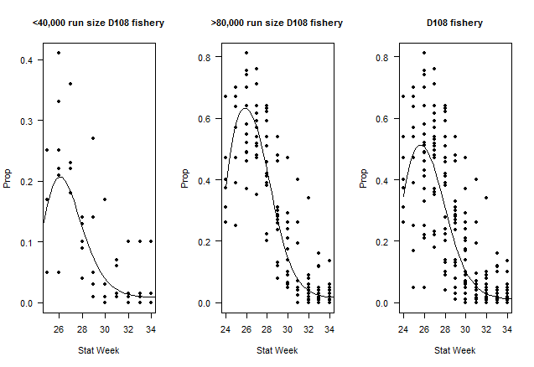
Table 1: District 108 Tahltan Proportion of Catch

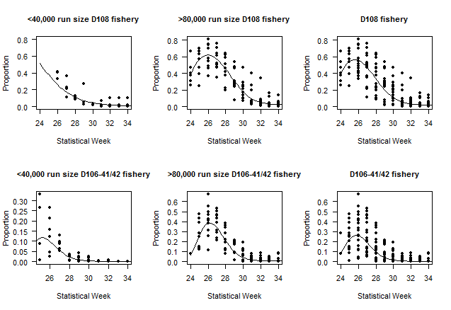
Data (Fishing District, Trigger Run Size) | Model | Description | Parameters (p) | Datapoints (n) | AICc | ΔAICc | adj. R2
D108 <40,000 | A1 | Linear | 2 | 36 | 116 | 5 | 0.53
D108 <40,000 | A2 | Polynomial (2) | 3 | 36 | 111 | 0 | 0.60
D108 <40,000 | A3 | Polynomial (3) | 4 | 36 | 112 | 1 | 0.61
D108 >80,000 | A4 | Linear | 2 | 102 | 316 | 33 | 0.63
D108 >80,000 | A5 | Polynomial (2) | 3 | 102 | 289 | 6 | 0.72
D108 >80,000 | A6 | Polynomial (3) | 4 | 102 | 283 | 0 | 0.74
D108 | A7 | Linear | 2 | 167 | 543 | 19 | 0.61
D108 | A8 | Polynomial (2) | 3 | 167 | 534 | 10 | 0.63
D108 | A9 | Polynomial (3) | 4 | 167 | 523 | 0 | 0.66

Table 2: District 106-41 Tahltan Proportion of Catch

Data (Fishing District, Trigger Run Size) | Model | Description | Parameters (p) | Datapoints (n) | AICc | ΔAICc | adj. R2
D106-41 <40,000 | B1 | Linear | 2 | 58 | 186 | 3 | 0.71
D106-41 <40,000 | B2 | Polynomial (2) | 3 | 58 | 187 | 4 | 0.72
D106-41 <40,000 | B3 | Polynomial (3) | 4 | 58 | 183 | 0 | 0.74
D106-41> 80,000 | B4 | Linear | 2 | 100 | 374 | 13 | 0.56
D106-41 >80,000 | B5 | Polynomial (2) | 3 | 100 | 370 | 9 | 0.58
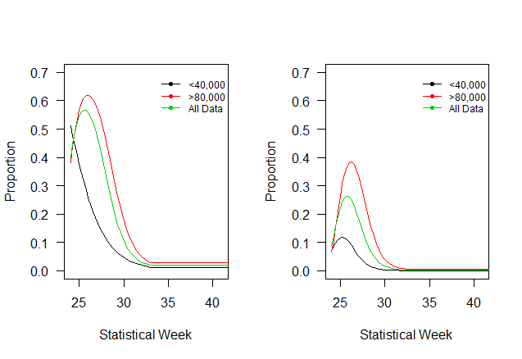
D106-41 >80,000 | B6 | Polynomial (3) | 4 | 100 | 361 | 0 | 0.62
D106-41 | B7 | Linear | 2 | 188 | 721 | 12 | 0.57
D106-41 | B8 | Polynomial (2) | 3 | 188 | 721 | 12 | 0.57
D106-41 | B9 | Polynomial (3) | 4 | 188 | 709 | 0 | 0.60

